Summary
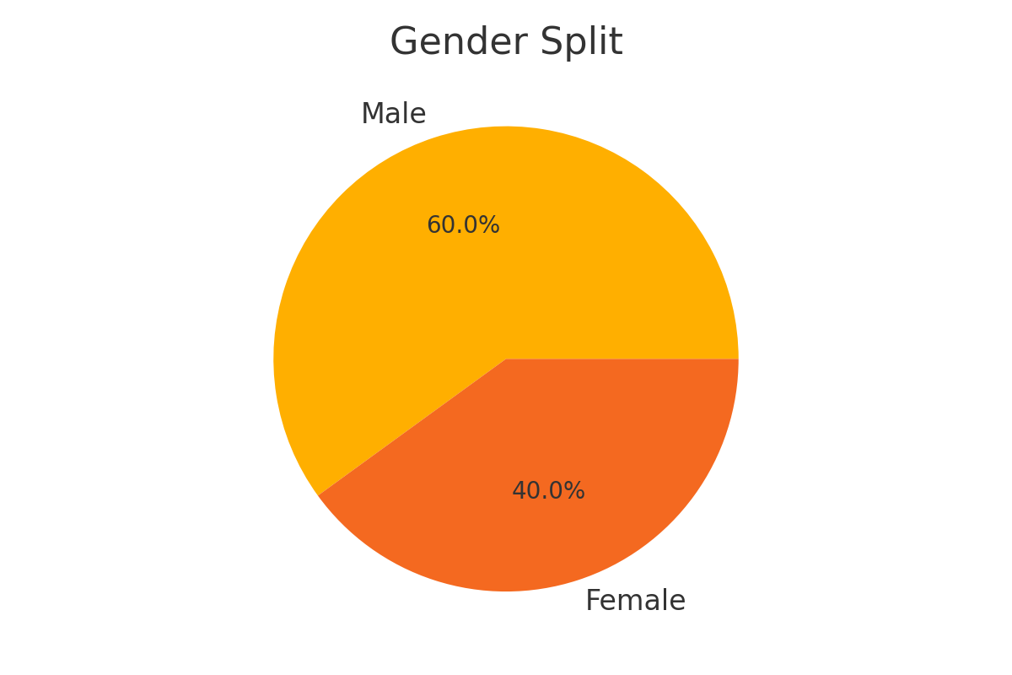
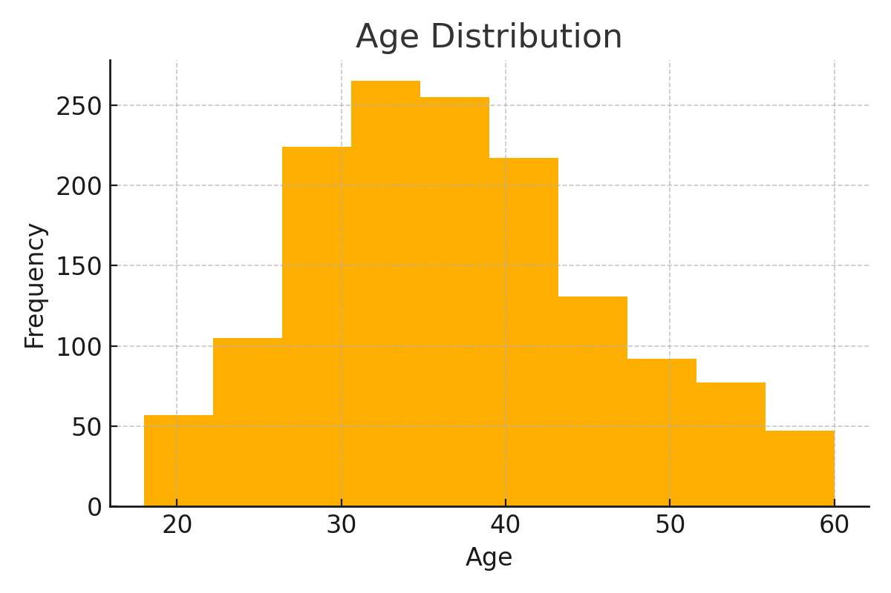
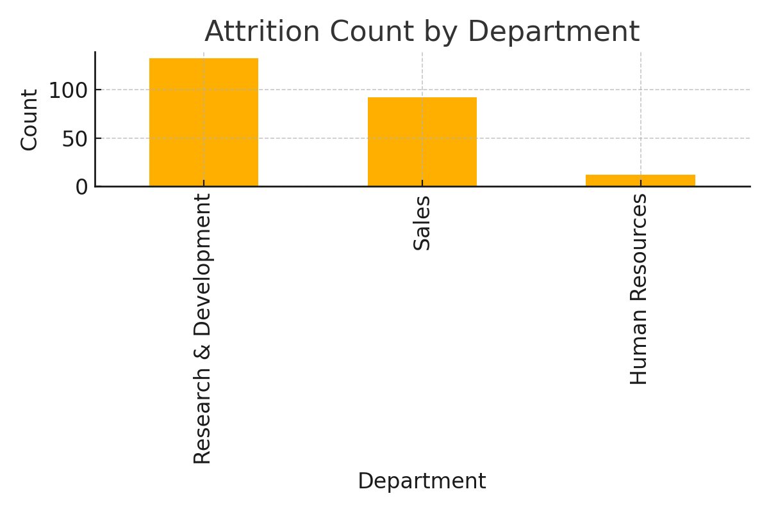
Metric | Value
Total Employees | 1470
Attrition Count (Yes) | 237
Attrition Rate (%) | 16.12
Average Age of Leavers | 33.61

